Sheet1
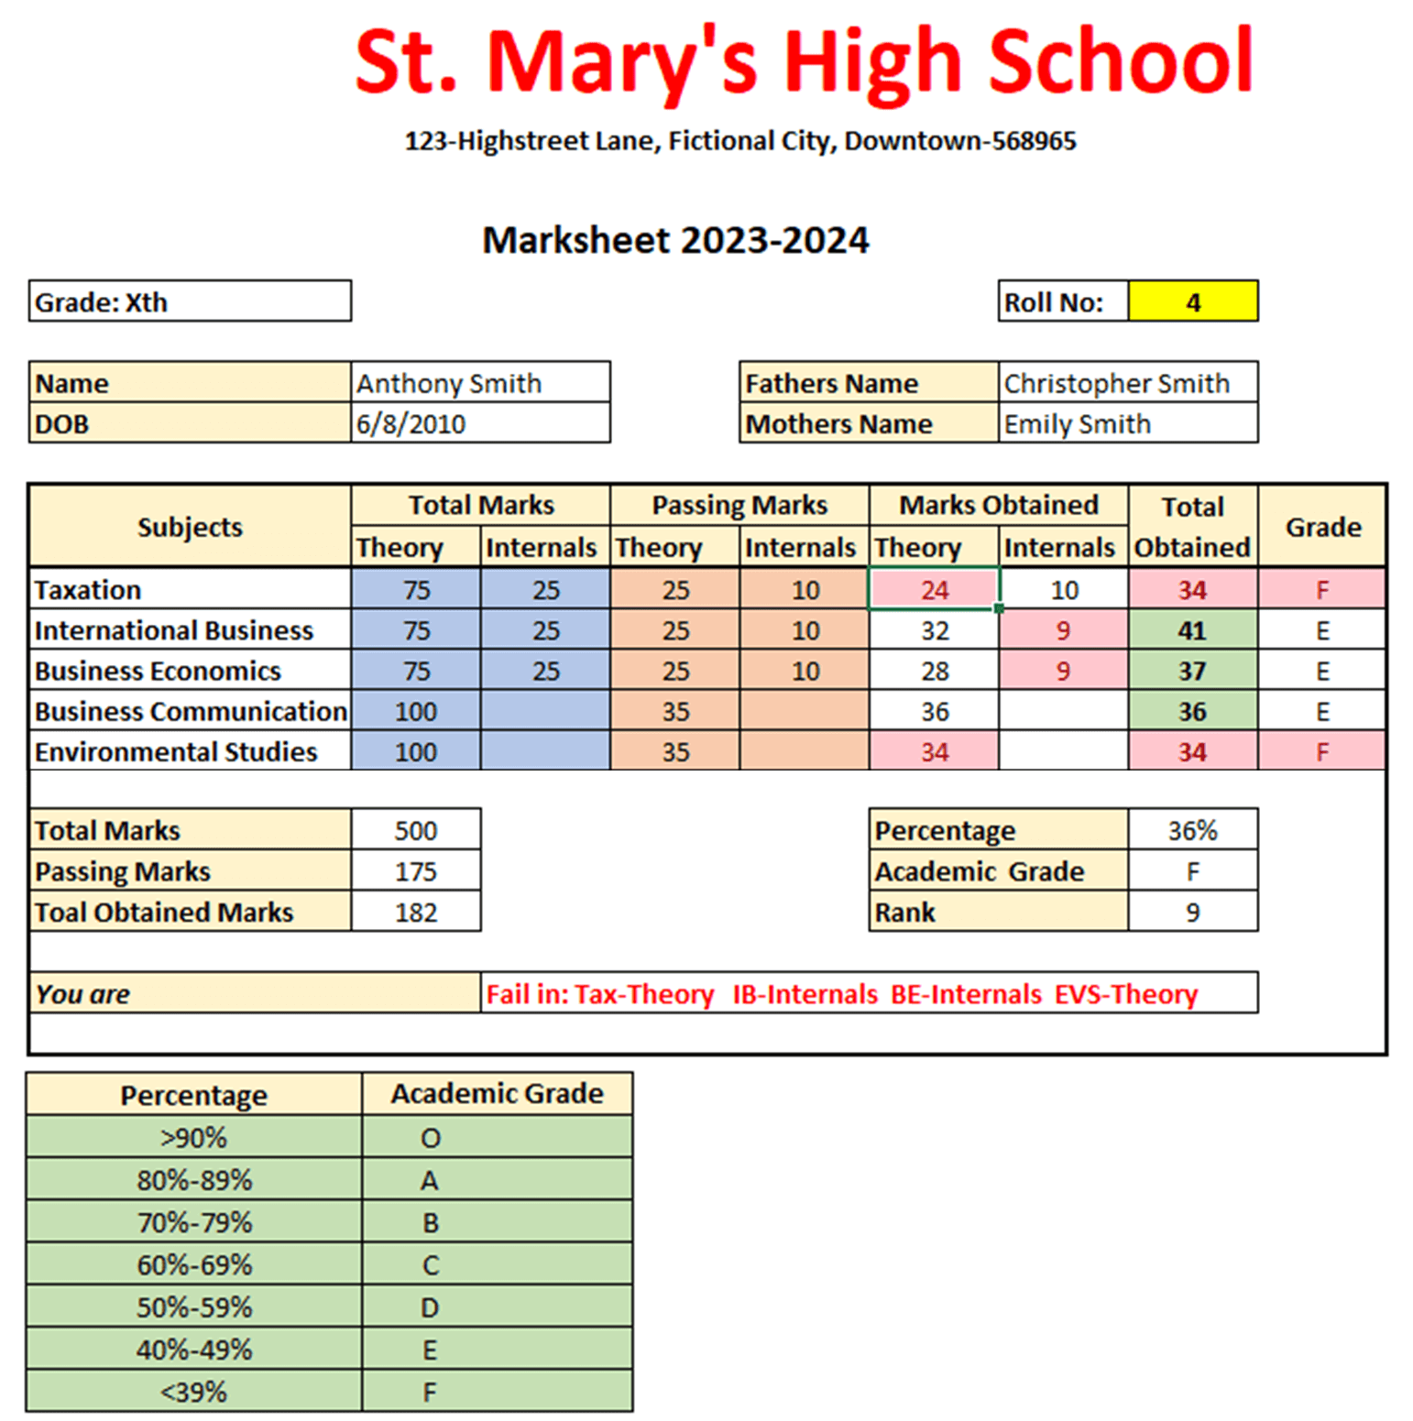
Name | Contact No | Fees | DOJ | Mark | out of | General | Percentage
Name 1 | 987654310 | ₹ 75,000.00 | 2027-04-02 | 350 | 600 | 58.33 | 58.33%
Name 5 |  | ₹ 220,000.00 |  | 450 | 600 | 75.00 | 75.00% |  | 5
Name 6 |  |  |  | 375 | 600 | 62.50 | 62.50% |  | 4
 |  |  |  | 250 | 600 | 41.67 | 41.67% | 5 | 5
 |  |  |  | 275 | 600 | 45.83 | 45.83%
 |  |  |  | 570 | 600 | 95.00 | 95.00%
 |  |  |  | 375 | 600 | 62.50 | 62.50%
 |  |  |  | 389 | 600 | 64.83 | 64.83%
 |  |  |  | 487 | 600 | 81.17 | 81.17%
 |  |  |  | 489 | 600 | 81.50 | 81.50% | 46

 |  |  |  |  |  |  |  | 0.3

 |  |  |  |  |  |  |  | 0.35714285714

